GF Allocations - From RCPM+GF
GLOBAL FUND ALLOCATION 2014 - 2017 | Average US$20.8 million per year
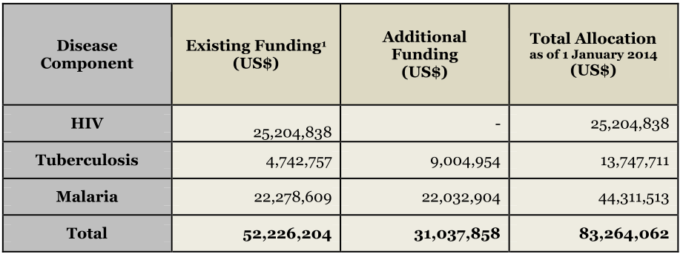

GLOBAL FUND ALLOCATION 2018 - 2020 | Average US$14.4 million per year

